User Guide
Return to TOC
 |  | Introduction:
 | ◼ | This application has been developed by UWA students as part of their CITS3200 Professional computing course. Thank you very much for using our application.
 | ◼ | The application has been developed on Visual Basic for Applications using a number of code snippets sourced from StackOverflow and other forums to augment user experience.
 |  | Refer to code comments for purpose of each code module and links to reference code snippets in use.
 | ◼ | The application IP falls under Creative Commons (open source) https://creativecommons.org.au/

 | ◼ | The table of contents has been hyperlinked for ease of use. Click the description to be redirected to the appropriate section. PLEASE NOTE THE USER GUIDE ISN'T DESIGNED TO BE PRINTED!
 |  | Use "Return to TOC" link found along the first column to redirect back to contents as needed.

 | ◼ | Throughout the guide there will be a number of symbols in use:

 |  | 👁‍🗨 | Context adding content sourced externally
 |  | ❗ | Important information users need to be aware of
 |  | 🔺 | Opportunities for error present; request users use extra caution in flagged activities

 |  | TABLE OF CONTENTS |  |  |  |  |  | Contains
 |  | 1 | Application Environment required |  |  |  |  | ❗👁‍🗨

 |  | 2 | Application Architecture
 |  |  | 2.1 | Making of bulk changes |  |  |  | ❗
 |  |  | 2.2 | Security Features provided by the application |  |  |  | ❗👁‍🗨
 |  |  | 2.3 | Automatic Back-up option |  |  |  | ❗🔺
 |  |  | 2.4 | Overview of report generation |  |  |  | ❗🔺
 |  |  | 2.5 | Changes to Overview Report and Register worksheet |  |  |  | ❗

 |  | 3 | Using Data-Entry User forms
 |  |  | 3.1 | Standard Method for Accessing Data Entry Form |  |  |  | ❗
 |  |  | 3.2 | Working with the Navigation / Initial form
 |  |  |  | 3.2.01 | Register Navigation Buttons
 |  |  |  | 3.2.02 | Applying Form Options |  |  | 🔺
 |  |  |  |  | 3.2.02.1 | Filter Only Pre-commencement
 |  |  |  |  | 3.2.02.2 | Skip to Incomplete Entry
 |  |  |  |  | 3.2.02.3 | Save via Navigation |  | ❗
 |  |  |  | 3.2.03 | Changing Study Status |  |  | ❗🔺
 |  |  |  | 3.2.04 | Reverting back to Default Values
 |  |  |  | 3.2.05 | Searching for a Study Record |  |  | ❗🔺
 |  |  |  | 3.2.06 | Creating a New Study Record |  |  | ❗🔺
 |  |  |  | 3.2.07 | Delete a Study Record |  |  | ❗
 |  |  |  |  | 3.2.07.1 | Permanent Record Deletion |  | ❗🔺
 |  |  |  |  | 3.2.07.2 | Undo soft deletion of a record
 |  |  |  | 3.2.08 | View Reminders and Activity Completion Status |  |  | ❗
 |  |  |  | 3.2.09 | View Change Log
 |  |  |  | 3.2.10 | Editing Study Records |  |  | ❗🔺
 |  |  | 3.3 | Working with Activity Data Entry Forms
 |  |  |  | 3.3.01 | Common Elements of Activity Data Entry Forms |  |  | ❗🔺
 |  |  |  | 3.3.02 | Date Validation |  |  | ❗🔺
 |  |  |  | 3.3.03 | Study Details Form
 |  |  |  | 3.3.04 | CDA Form
 |  |  |  | 3.3.05 | Feasibility
 |  |  |  | 3.3.06 | Site Selection Form
 |  |  |  | 3.3.07 | Recruitment Plan Form
 |  |  |  | 3.3.08 | Ethics Review Form
 |  |  |  | 3.3.09 | Governance Review Form
 |  |  |  | 3.3.10 | Indemnity Review Form
 |  |  |  | 3.3.11 | Budget Review Form
 |  |  |  | 3.3.12 | CTRA Form
 |  |  |  | 3.3.13 | Financial Disclosure Form
 |  |  |  | 3.3.14 | SIV Form
 |  | 4 | Overview Report |  |  |  |  | ❗🔺
 |  |  | 4.1 | Special Circumstances Covered
 |  |  | 4.2 | Colours Applied to the Report
 |  |  | 4.3 | Using Excel Table filters in Overview Report or Register Table |  |  |  | 👁‍🗨
 |  |  | 4.4 | Quick Access to Study Records from Overview Report |  |  |  | ❗🔺

Return to TOC | 1 | Application Environment Needed

 | ◼ | The application is designed to work with MS Excel version 2010 or later. No additional plugins are needed to run the application.
 | ◼ | Only standard MS Excel reference libraries have been invoked to reduce installation burden on the end user and enable the application to run on both Windows and Macintosh PCs.
 | ❗ ◼ | The application will not work properly when stored in SharePoint or other cloud storage system due to restrictions imposed in those systems for using macro enabled content.
 | ❗ ◼ | The application at minimum will cater for display resolution with 100% scaling of 1280 x 800 to be able to view data entry userforms in their entirety. Therefore use in mobiles or tablets is not advised.

 | 👁‍🗨 | To run the application, it is necessary to "Enable use of Macros". A good guide to applying the settings is found via link below:
 |  | https://www.ablebits.com/office-addins-blog/2020/03/11/enable-disable-macros-excel/

 | 2 | Application Architecture

 | ◼ | The application has been developed using Visual Basic for Applications and MS Excel formulae syntax. In addition, custom MS Excel userforms have been developed to support data entry.

 | ◼ | The application comprised of three interlinked parts:
 |  | ◻ | Register table located in the "Register" worksheet that stores all entered data and other information needed for the application functionalities - Pseudo-database
 |  | ◻ | Set of userforms to enable users to navigate the register table and make sure of functionalities developed to enhance interaction with the register table
 |  | ◻ | VBA macro driven overview report that summarizes all data in the register table for easy review of study start-ups
 | ◼ | The user forms have been developed not only to enhance the data entry process but also augment the user experience through real time data validation, having a flow that matches the pre-commencement activity stages - displaying only pertinent information for an activity record, enables storing of reminders.

 |  | 2.1 | Making of Bulk Changes
 |  | ❗ ◼ | Users are able to make bulk changes to the register by directly editing the register table. However, doing so will bypass version controls and activity completion tracking in the application. Activity completion tracking can be reinitiated by navigating to the record after searching for it and editing the record.

Section 2.3 |  | ◼ | Standard Microsoft Undo functionality will be available in case you wish to revert any bulk changes made. Worst case refer to section 2.3 below regarding where backup files could be accessed.

 |  | 2.2 | Security Features
 |  | ◼ | No security features have been incorporated into the application due to its use case for private use within a single department of the organisation and the occasional need to make bulk changes to studies. Thus, there is a risk of overwriting or losing data. Malicious access to the application will be managed via internal network cybersecurity protocols.

 |  | ❗ ◼ | No passwords have been incorporated into the application. The only protected worksheet is the "User Guide" - no password has been used. Implementing password protection in the "Overview Report" and "Register" worksheets will stop the application from writing new data.

 |  | 👁‍🗨 | If in future password protection becomes necessary it is recommended to use document level protection. Refer to guide found via link below:
 |  |  | https://support.microsoft.com/en-us/office/protect-an-excel-file-7359d4ae-7213-4ac2-b058-f75e9311b599

 |  | 2.3 | Automatic Back-up
 |  | ❗ ◼ | To better support reverting to earlier versions, the application has code applied to save a duplicate copy of the file each time it is saved. The copies are stored in a "Backup_Folder" that is created in the same file directory as the original file. Up to 7 recent saved versions of the excel file will be maintained via this approach. It is assumed users will have access to write into folders where they are storing files.
 |  | ◼ | Backup files will be named as "VTG Study Start-ups Tracker <Timestamp>" to ensure each file name is unique
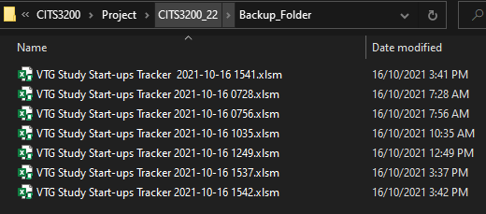

 |  | 🔺 ❗ ◼ | Backup file saving will fail when the user lacks the permission to create a folder or add write to a folder in which the file is stored. Similarly, the backup save will fail if the file is stored on SharePoint or other cloud file repository due to inability to create a folder and store a backup file programmatically. In such scenarios where backup file fails to save, a pop-up will be displayed at the centre of the excel application window declaring the backup failed. It is only possible to do backup saves when the file is stored in a local or network (intranet) directory.

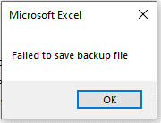

 |  | 2.4 | Overview report generation
Section 4 |  | 🔺 ❗ ◼ | Due to the processing power required by Excel to summarize register data into an overview report, it is requested users be patient. Testing has shown delays of up to 1 min per 1000 study records could be incurred. During the time the report is being processed it is recommended to refrain from interacting with excel until a pop-up informing data has been imported activates.

 |  | ◼ | To offer users a guide of progress, the application status bar at the bottom left hand corner will display progress of processing. Interrupting the process may in the worst case cause excel to stall.

 |  | ◼ | Once all processing has been completed, all cells of the report coloured as required and data copied across, a pop-up will open at the centre of the excel application window.
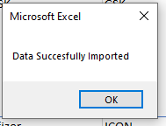

 |  | 2.5 | Changes to Overview Report and Register worksheet tables
 |  | ❗ ◼ | It is strongly advised against editing the structure and positioning of tables located within these worksheets. Code in use in the application is associated with positions and column references of the tables displayed, thus changes may break the application functionality.

Return to TOC | 3 | Using Data-Entry Userforms

 |  | 3.1 | Standard Method for Accessing Data Entry Form
 |  | ◼ | Click on the button similar to the button below in the "Overview Report" or "Register" worksheet

 |  | ◼ | Using this option will load the Navigation form with default values i.e. none of the text fields will be filled and all form options will be active.
 |  | ❗ ◼ | Unless necessary it is recommended for users to work off the Overview Report worksheet instead.

 |  | 3.2 | Working with the Navigation / Initial form
 |  | ◼ | When activated using the "Open Data Entry Form" button, the data entry form will always appear at the top left corner of the excel application window.
 |  |  | The first form to open will be the Navigation form that enables users to locate a study record of interest, change the study status, create new study records, edit existing study records, delete study records, view reminder logs for the entire study record or view the change log for the study.
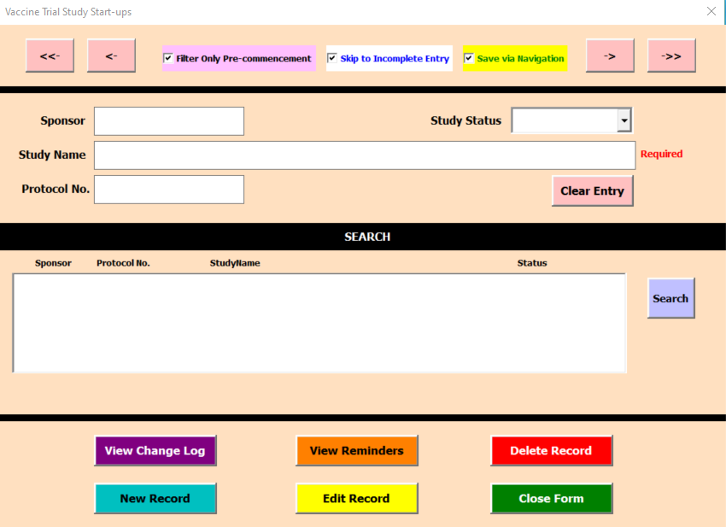
Jump to the first study record in the application register
Moves back one entry in the application register
With the option selected (default value), navigation buttons will skip over entries without "pre-commencement" study status
With the option selected (default value), the form will skip to the next incomplete data entry form when "Edit Record" button is clicked.
With the option selected (default value), entries will be saved as one navigates between or closes out of the form
Moves forward one entry in the application register
Close form (default window)
If the Save Via Navigation is selected, closing will save data as displayed in the text input fields
Jump to the most recently added study record in the application register
At a minimum a study name must be entered to create a new record or trigger search
Clear all entered data and return to default selections
Text input fields.
Alternatively will display already inputted data for a record where available.
Key words can be entered in this form to enable users to search for study records matching filled field keywords
Search
Trigger a text matching search based on input in Sponsor, Study Name and / or Protocol No. text input field data
All search results will be displayed in a scrollable list to select an appropriate study record from
Soft delete selected entry in the application register.
Soft deletion will flag data as deleted, log time and user who deleted the entry but retain the entry in the application. This can then be undone at a later date.
Close form
If the Save Via Navigation is selected, closing will save data as displayed in the text input fields
Edit Record
Use to access forms for data entry.
If a study record doesn't exist, "Edit Record" will trigger creation of a new record.
If "Skip to incomplete entry" is selected then the next incomplete data entry form will be displayed, otherwise it will show the "Study Details" form.
View Reminders
This button will open up userform that will show the reminders as well completion status of pre-commencement activity data
New Record
If a study record does not already existing matching the study name, a new record will be created in the application register
View Change Log
Allows user to see date & time and last user who created, accessed, updated or deleted the study record
Study status can be changed via dropdown between "pre-commencement", "Commenced" and "Not Going Ahead"

 |  | 3.2.01 | Register Navigation Buttons
 |  | ◼ | The form has four primary navigation options to enable users to scroll up or down the application register records.

 |  |  |  | Jump to the first record in the application register (oldest)

 |  |  |  | Jump to the last record in the application register (most recent)

 |  |  |  | Navigate to the previous record. If this is applied from the first (oldest) record, the button will cycle back to the last (most recent) record.

 |  |  |  | Navigate to the previous record. If this is applied from the last (most recent) record, the button will cycle back to the first (oldest) record.

 |  | 3.2.02 | Applying Form Options
 |  | 🔺 ◼ | Three toggles are available to the user to alter the behaviour of the form. All toggles are selected by default when first loading a form or clearing a form via clear button:

 |  |  | 3.2.01.1 | Filter Only Pre-commencement
Section 3.2.03 |  |  | ◼ | When selected, a filter is implemented on form navigation so that records that do not have a pre-commencement study status (Refer to Section 3.2.03) are skipped.

 |  |  |  | Behaviour changes:

 |  |  |  |  | Jump to the first record in the application register with "Pre-commencement" study status

 |  |  |  |  | Jump to the last record in the application register with "Pre-commencement" study status

 |  |  |  |  | Navigate to the previous record with "Pre-commencement" study status

 |  |  |  |  | Navigate to the next record with "Pre-commencement" study status

 |  |  | 3.2.01.2 | Skip to Incomplete Entry
 |  |  | ◼ | When selected, the form will redirect the user to the next data entry form that hasn't been completed yet saving some time.
 |  |  |  | Without the option selected, the first form shown on following the Navigation/Initial form will always be the "Study Details" form.
 |  |  | ◼ | Pre-commencement process activities are deemed complete if all input fields associated with them are filled and all date fields are filled with valid dates.

 |  |  | 3.2.01.3 | Save via Navigation
 |  |  | ◼ | When selected, the form will save all text field data when navigating between forms or closing out of the form.
 |  |  | ❗ ◼ | When "Save via Navigation" is active, there will be a slight lag introduced when shifting between forms due to data being saved when forms transition.
 |  |  | ❗ ◼ | Users cannot undo changes made once a form is navigated out of or closed!
 |  |  | ◼ | De-selecting the form will change the displayed text to be "Save via Button". Once deselected, data is only saved if "Apply Changes" button is clicked in associated activity data entry forms.

 |  | 3.2.03 | Changing Study Status
 |  | ◼ | Typically users are able to change the status of a study record between: "pre-commencement", "commenced" and "not going ahead".

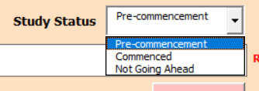

Section 3.2.07 |  | ◼ | The study status toggle also plays a pivotal role in reverting soft deletion of records (Refer to Section 3.2.07).
 |  | 🔺 ❗ ◼ | Completed study records with "Pre-commencement" study status will automatically be changed to "Commenced" when the record is viewed after SIV data has passed.
 |  | ◼ | To make it more obvious study status is different, a different font colour is used depending on the status as follows:
 |  |  | ◻ | Pre-commencement
 |  |  | ◻ | Commenced
 |  |  | ◻ | Not Going Ahead
 |  |  | ◻ | DELETED
Section 3.2.05 |  | ❗ ◼ | Records where the study status is pre-filled by the application are ones that the application has already found in the register and thus identified. These records can then be edited or deleted by the application. Moreover, only such records can have their reminder and change logs viewed by user.

Section 3.2.01 |  |  | For the application to identify records, either a search has to be performed (refer to Section 3.2.05) or the record is navigated to via form navigation buttons (refer to Section 3.2.01).

 |  | 3.2.04 | Reverting back to Default Values
 |  | ◼ | The "Clear Entry" button provides an easy way for users to clear all text input fields and revert to default form options.

Section 3.2.02 |  | ◼ | Clearing will re-activate the following form options (refer to Section 3.2.02 above):
 |  |  | ✅ | Filter Only Pre-commencement
 |  |  | ✅ | Skip to Incomplete Entry
 |  |  | ✅ | Save via Navigation

 |  | 3.2.05 | Searching for a Study Record
 |  | ◼ | The application provides a textual search that enables keyword matching across three fields: Sponsor, Study Name and Protocol Number.
Section 3.2.03 |  | ◼ | Textual search provides the simplest means for users to let the application know what record to pull from the register without having to cycle through records. Records the application has already identified will have Study Status pre-populated (refer to Section 3.2.03).

 |  | ◼ | By entering keywords in the Sponsor, Study Name and Protocol No. text input fields and clicking on the search button, records matching the search criteria will be displayed.
 |  |  | Users can then select a record to load from the search results by clicking on it within the list box. This will cause the selected record to be highlighted.
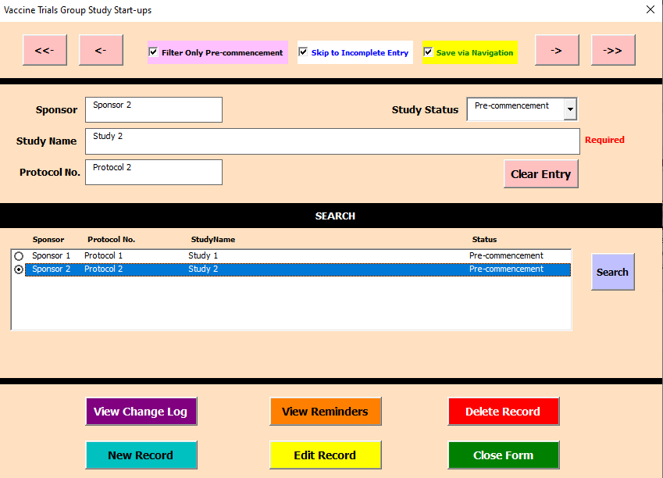
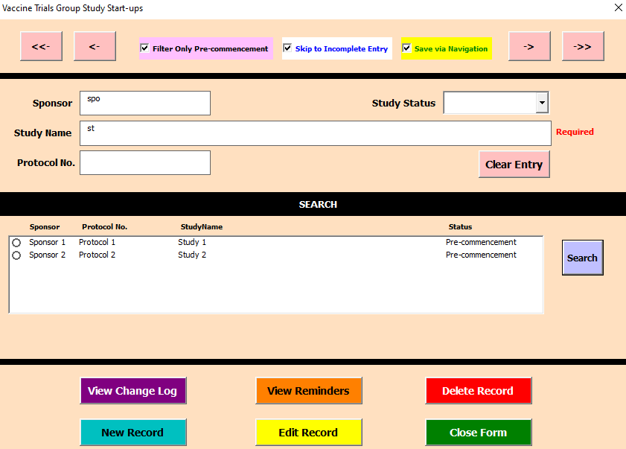

 |  | ◼ | A vertical scroll bar will appear if a search matches exceed what can displayed in the list box. By default the most recent matching record will be shown at the bottom.
 |  |  | To scroll the list of matching records, users can click the top and bottom arrow buttons in the vertical scroll bar with a mouse or trackbar. Alternatively, users can click on the list box to activate a record and navigate up and down using arrow keys on the keyboard.

 |  | 🔺 ❗ ◼ | Search is also affected by option of "Filter Only Pre-commencement". Therefore, with this option selected only "pre-commencement" status entries will be retrieved by search.

 |  |  | With "Filter Only Pre-commencement" option activated |  |  |  |  |  | With "Filter Only Pre-commencement" option deactivated

 |  | ◼ | If search fails to locate any matching records then the following message is shown below the search list box.

 |  | ◼ | Attempting search on an empty register will cause the following error message to be displayed below the search list box.

 |  | 3.2.06 | Creating a New Study Record
 |  | ◼ | In order to create a new record, at minimum a study name has to be entered in the Navigation / Initial form.
 |  | 🔺 ❗ ◼ | The application considers a study record to be new if it has a unique combination of study name, protocol number and sponsor name that doesn't exist in the register already.

 |  | ◼ | A genuine new record can then be created by clicking the "New Record" button will redirect the user to the data entry form with the new record details populated (Refer to Section 3.3)
Section 3.3

Section 3.2.09 |  | ◼ | When a new record is created, the change log (refer to Section 3.2.09) will store the timestamp when it was created and the username of the person who created it.

 |  | ◼ | Attempting to create a record without a study name will result in the message below to be displayed under the search list box.

Section 3.2.05 |  | ◼ | Attempting to create another study with the same study name, protocol number and sponsor as a pre-existing one will also cause the application to run its textual search (refer to Section 3.2.05) and a message will be displayed prompting further user action.

Section 3.2.10 |  | ◼ | If only a single record matching the sponsor, study name and protocol number combination is found then the corresponding entry will be loaded into the form and user prompted to use edit functionality (refer to Section 3.2.10) instead.

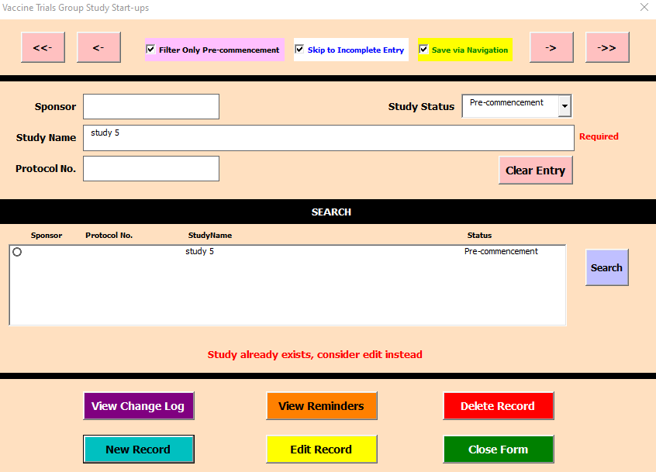

 |  | ◼ | If multiple records are found by the textual search, the user will be prompted to select a record out of the list and proceed to use edit functionality instead.
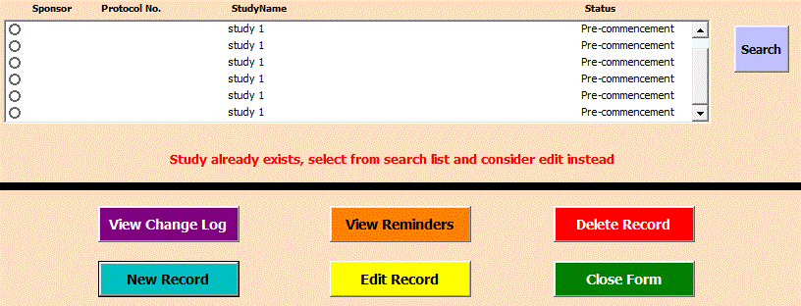

 |  | 3.2.07 | Delete a Study Record
 |  | ❗ ◼ | Clicking the delete button will then trigger a pop-up message to appear at the centre of the excel application. This does not necessarily correspond to the centre of the form. Clicking OK will trigger soft deletion.

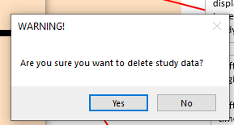

 |  | ◼ | To soft delete a record, click the "Delete Record" first ensure the form has identified the record to be deleted either via search or through the navigation toggles at the top (refer to Section 3.2.03). Attempting to delete an entry without a record identified by the application will result in the following message prompt to be displayed below the search list box.
Section 3.2.03

 |  | ❗ ◼ | When a record is soft deleted, the following changes are applied:
 |  |  | ◻ | The study status of the record is changed to "DELETED"

 |  |  | ◻ | The change log will display the timestamp and user name of individual that deleted the record

 |  |  | ◻ | Deleted records are filtered out of navigation when "Filter Only Pre-commencement" option has been selected.
 |  |  | ◻ | Deleted items will not appear in the "Overview Report"

 |  | 3.2.07.1 | Permanent Record Deletion
 |  | 🔺 ❗ ◼ | To Permanently delete a record from the register, you would have to locate the record row in the register and delete the row from the table.
 |  |  | An option for doing this is to right click a cell in the table row to be deleted and selected delete Table Rows as shown.
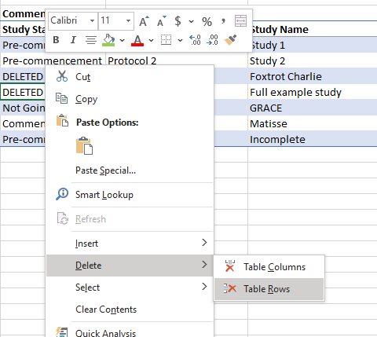

 |  | 3.2.07.2 | Undo soft deletion of a record
Section 3.2.05 |  | ◼ | In the Navigation or initial form, ensure "Filter Pre-commencement Only" is deactivated.
 |  | ◼ | Search (refer to Section 3.2.05) or navigate to the record (refer to Section 3.2.01) you wish to undo deletion for.
Section 3.2.10 |  | ◼ | Change the study status (refer to Section 3.2.03) of the record from "DELETED" to any other option in the dropdown. This will remove the deletion timestamp in the change log and thus the record accessible to the overview report.

Section 3.2.03
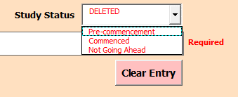

 |  | 3.2.08 | View Reminders and Activity Completion Status
 |  | ❗ ◼ | The Reminder Log can only be accessed from the Navigation form. The log enables users to view at a glance all reminders associated with a study being tracked, as well as, the progress of the pre-commencement process.

 |  | ◼ | The form will show all reminders written on the studies, accompanied by completion information below where relevant e.g. date completed or approved.
 |  | ◼ | Changes made in this form are not saved. However, the information will be updated each time the form is activated (deselected and reselected).
 |  | ◼ | Users can leave this form open while they progress with data entry.
 |  | ❗ ◼ | Pre-commencement process activities are deemed complete if all input fields associated with them are filled and all date fields are filled with valid dates.
 |  | ❗ ◼ | Up to 150 characters can be used in the reminder fields.
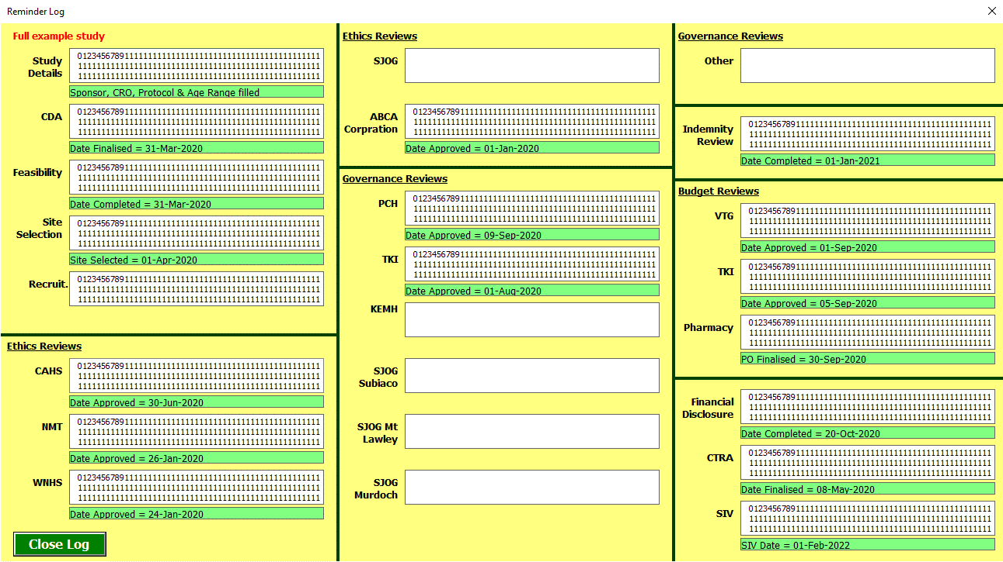
Close form
Button provided to close form at diagonal ends of the form
Close form (Default Window)
Empty field indicates no reminder was added for the activity
Filled reminder associated with activity is displayed
Filled reminder without completion details suggest activity is still in progress
Completed activities will display the pertinent completion date or other information in a green section below the reminder.
Study name will be replicated in the form to ensure users are aware what study the reminders and completion status are for
For Other categories where committee or body name has been entered, this name will replace the default "Other" name

 |  | ◼ | If the application has not yet identified the record (refer to Section 3.2.03) i.e. record not accessed via search or navigation; attempting to open the Reminder Log will request the user to identify the study entry.

 |  | 3.2.09 | View Change Log
 |  | ◼ | The form will show time stamps associated with study record creation, deletion and access as well as the username associated with the MS Office installation.
 |  | ◼ | Because corporate profiles are tied to individuals, the name of the person applying the change to the register will be displayed.
 |  | ◼ | Changes made in this form are not saved. However, the information will be updated each time the form is activated (deselected and reselected).
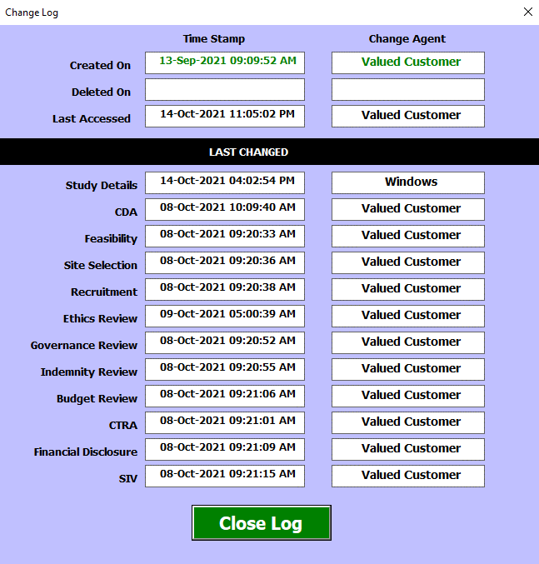

 |  | ◼ | Attempting to open the Change Log without having navigated to or searched for a study of interest will cause the form to display the message below.

 |  | 3.2.10 | Editing Study Records
Section 3.2.03 |  | ◼ | For best results, edit records that have already been identified by the application (refer to Section 3.2.03) - this can be done by using search or navigation buttons to locate the record of interest.

 |  | ◼ | Clicking the "Edit Record" will initiate a search in the register for the pairing of study name, sponsor and protocol number. If a matching record is found in the register, the application will progress to the pre-commencement activity data entry forms (refer to Section 3.3).
Section 3.3

Section 3.2.02.2 |  | ◼ | Prior to loading of pre-commencement activity data entry forms, as part of the edit process, the application will then evaluate the completion status of all entries in the record. This helps the application identify the first incomplete activity (as per order of pre-commencement study start-up work flow) and hence where next to redirect the user to if "Edit Record" is successful.

Section 3.3.03 |  | ❗ ◼ | If the option "Skip to Incomplete Entry" is active (refer to Section 3.2.02.2), when "Edit Record" is successful, it will redirect to the data entry form of the last incomplete pre-commencement activity. Otherwise, the first data entry form opened will be associated with entering further "Study Details (refer to Section 3.3.03)".

 |  | ◼ | As a minimum, to edit an entry the study name must be entered otherwise a message prompting this will be displayed below the search list box.

 |  | ◼ | When attempting to Edit Records for study names that do not exist in the register, a message will appear prompting the user to use search in case part of the test was missed or to create a new record as the combination of study name, sponsor and protocol number as entered cannot be found in the application register.

Section 3.2.05 |  | 🔺 ❗ ◼ | If the user attempts to edit a record that has not been identified by the application, the search functionality (refer to Section 3.2.05) will be triggered.
 |  |  | ◻ | If a single match is found via the search, then the application will progress with editing the record found
 |  |  | ◻ | If multiple matches are found, the user is prompted to select a matching record and re-attempt "Edit Record"

Return to TOC |  | 3.3 | Working with Activity Data Entry Forms
 |  | ◼ | After a New Record (refer to Section 3.2.06) or Edit Record is successful (refer to Section 3.2.10) are successful, the user will be redirect to the activity data entry forms.
Section 3.2.06 |  | ◼ | All activity data entry forms are designed to only collect data for a particular activity within the vaccine study start-up pre-commencement work flow.

Section 3.2.10
 |  | 3.3.01 | Common Elements of Activity Data Entry Forms
 |  | ◼ | Unlike the Navigation form, all activity data elements share common header and footer sections.
 |  | ◼ | The common header section contains:
 |  |  | ◻ | Form title matching the activity for which the data is being entered
 |  |  | ◻ | A Navigation bar contain toggle buttons to redirect users to other forms that form part of the application. Only grey raised buttons will redirect the user.
 |  |  |  | ➖ | The active activity is denoted by a depressed green coloured toggle button. Clicking on it will not redirect the user.
 |  |  |  | ➖ | Every activity has its own form and thus activity toggle button. In addition, the Navigation form has a toggle button so users can return back to it as required and return back via "Edit Record" (refer to Section 3.2.10).
Section 3.2.10
 |  |  | ◻ | Standard windows close button on the top right hand corner to exit the userform.
Close form (default window)
Closing via this button when Save via Navigation option is active will still save all entered data
Form Title stating the activity for which data is being entered
Activity toggle (depressed)
Green depressed toggle button to highlight what activity is being worked on in the form
Activity toggle (Raised)
Grey undepressed toggle button to highlight other possible activities for which data can be entered. Clicking on these will redirect the user to the associated activity data entry form
Standard activity flow as part of study start-up pre-commencement work flow
Toggle to enable users to return to the Navigation form

 |  |  | ◻ | Study Name field is found below the navigation bar in all activity data entry forms except the "Study Details" form. This helps users recall what study they are entering data for if required.

 |  | 🔺 ❗ ◼ | All activity data entry forms also contain the option to activate or deactivate the "Save via Navigation" option (refer to Section 3.2.02.3). Changes made to this toggle in one form will transfer over to other forms. The option is always located below the SIV toggle button as shown.

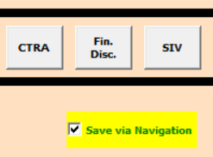

Section 3.2.09 |  |  | ❗ ◻ | With "Save via Navigation" active the update log within the "Change Log" (refer to Section 3.2.09) will update with each transition of the user form.
 |  |  |  | With option deactivated, the update log will only be changed when "Apply changes" button in each activity data entry form is clicked.
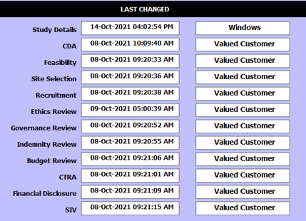

Section 3.2.08 |  | ◼ | The common footer section contains:
 |  |  | ◻ | Reminder Text input field to add activity specific reminder details. Data entered in this field is viewable in the "Reminder Log" (refer to Section 3.2.08).
 |  |  | ❗ ◻ | Apply Changes Button to manually save any changes made to the data entered. Moreover, using this option retains memory of what was loaded enabling undo/redo to function.

 |  |  | ❗ ◻ | Undo Button will revert changes to those prior to apply settings was clicked. Consequently, you cannot undo after navigating out of a form and returning back to it.
 |  |  | ❗ ◻ | Redo Button will return changes applied when apply setting was clicked.

Undo Button
This button will only undo the recent changes applied via the "Apply Changes" button. The feature will not work if navigating to another form or when one closes the form.
Redo Button
This button will only redo the recently reverted changes but will not work if the one navigates to another form or closes the form.
Apply Changes
This button will Save any changes done to the text input fields in the form. Saving via this option will support undo/redo functionality.
Close form
Closing via this button when Save via Navigation option is active will still save all entered data
Reminder
Text in this field will be captured by the reminder log

 |  | ❗ ◼ | Whenever data is saved by the activity data entry form, the completion status of the form is also re-evaluated. This aids with future running of "Overview Report" and makes it easier for the application to determine the first incomplete section to be completed so the application can skip to it if option "Skip to Incomplete Entry" is active.

 |  | 3.3.02 | Date Validation

 |  | ❗ ◼ | All dates entered in the application date entry fields are expected to be in DD-MMM-YYYY. Use of this format will result in least errors.
 |  | ◼ | All date fields have a validation applied at point of changing focus away from the text field.
 |  |  | Validation informs the user when data entered is not a valid date or fails to follow chronological order.
 |  |  | The warning message will appear to the right of the text field as shown.

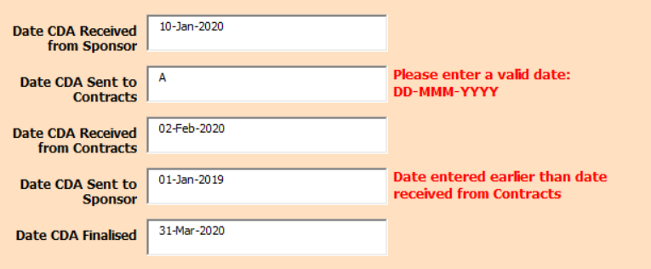

 |  |  | If a valid date is detected it will automatically be converted to DD-MMM-YYYY format

 |  | 🔺 ❗ ◼ | If dates are not entered in the desired format, the application will make its best attempt at translating date data entered into DD-MMM-YYYY where possible. Formats the application can handle and ones to avoid include:

 |  |  |  | Date Format Entered |  |  | Use Recommendation | Example Input | Conversion outcome
 |  |  |  | D-M-YY, D/M/YY |  |  | OK to use | 1/9/11 | 01-Sep-2011
 |  |  |  | D-M-YYYY, D/M/YYYY |  |  | OK to use | 1/9/2011 | 01-Sep-2011
 |  |  |  | DD-MM-YYYY, DD/MM/YYYY |  |  | OK to use | 01/09/2011 | 01-Sep-2011
 |  |  |  | YY-M-D, YY/M/D |  |  | REFRAIN | 11/9/1 | 11-Sep-2001
 |  |  |  | YYYY-M-D, YYYY/M/D |  |  | OK to use | 2011-9-1 | 01-Sep-2011
 |  |  |  | YYYY-MM-DD, YYYY/MM/DD |  |  | OK to use | 2011-09-01 | 01-Sep-2011
 |  |  |  | D-M, D-MM, D-MMM |  |  | OK to use | 1 Sep | 01-Sep-2021
 |  |  |  | DD-M, DD-MM, DD-MMM |  |  | OK to use | 01-09 | 01-Sep-2021
 |  |  |  | DD st/nd/rd/th MMM YYYY |  |  | REFRAIN | 01st Sep 2011 | 01st Sep 2011
 |  |  |  | M-D-YY, M/D/YY |  |  | REFRAIN | 9/1/11 | 09-Nov-2011
 |  |  |  | M-D-YYYY, M/D/YYYY |  |  | REFRAIN | 09/01/2011 | 09-Nov-2011
 |  |  |  | MM-DD-YYYY, MM/DD/YYYY |  |  | REFRAIN | 01/09/2011 | 09-Nov-2011

 |  |  | Overall, the application cannot handle dates with none month name text inside (e.g. 1st, 2nd, 3rd, 4th) as well as dates entered in American format.

 |  | 3.3.03 | Study Details form
 |  | ◼ | This form will typically be the first activity data entry page users will interact with.
 |  | ◼ | If "Skip to Incomplete Entry" is selected on an advanced study record, this activity may have all details completed and thus will be skipped.
 |  | ◼ | The main details required to enter in this form are:

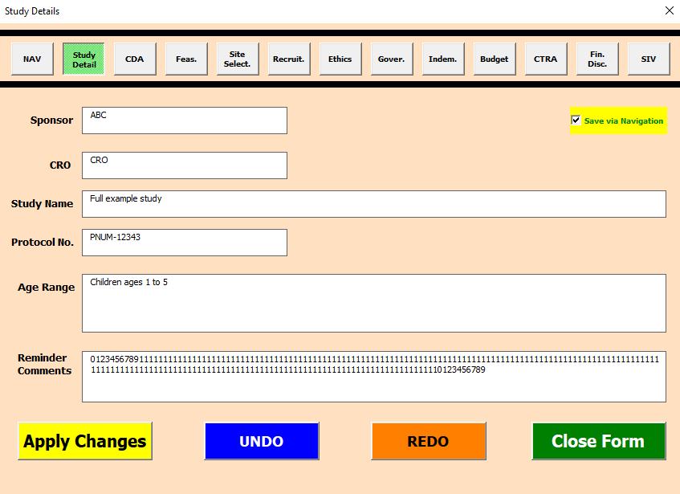
Enter or edit name of sponsor
Enter or edit the CRO that is involved in the study
Edit the study name if not happy with original
Enter or edit appropriate Protocol number
Enter or Edit the age range that is going to be appropriate for the study

 |  | 3.3.04 | CDA Form
 |  | ◼ | The main details required to be entered in this form are:

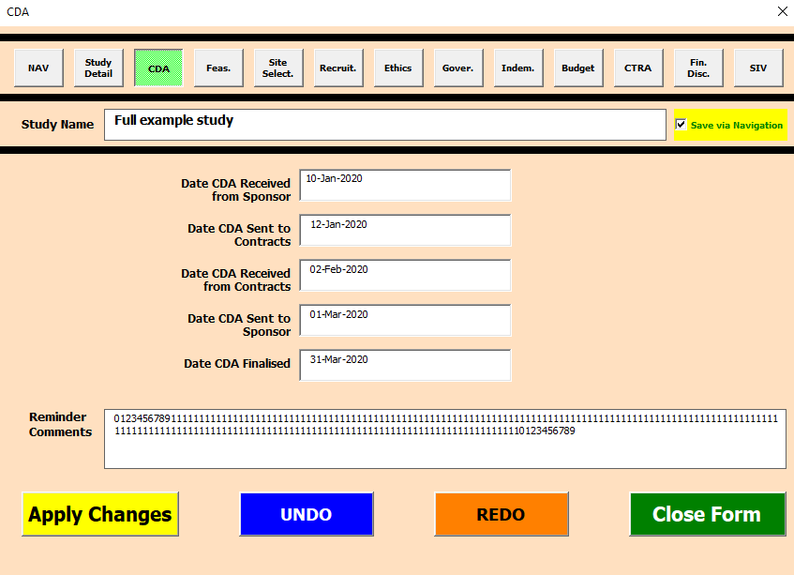
Enter appropriate date when CDA is received from study sponsor
Enter appropriate date when CDA is sent to Contracts department
Enter appropriate date when CDA has been reviewed and received from Contracts department
Enter appropriate date where Reviewed CDA is sent back to sponsor for review
Enter appropriate date when CDA is finalised

 |  | 3.3.05 | Feasibility Form
 |  | ◼ | The main details required to be entered in this form are:

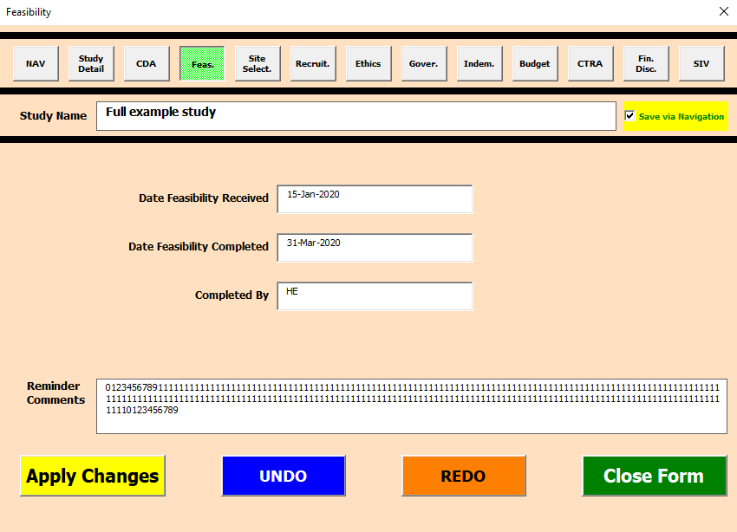
Enter appropriate date when Feasibility analysis received
Enter appropriate date when Feasibility analysis is completed
Enter initials of person who completed the feasibility analysis

 |  | 3.3.06 | Site Selection Form
 |  | ◼ | The main details required to be entered in this form are:

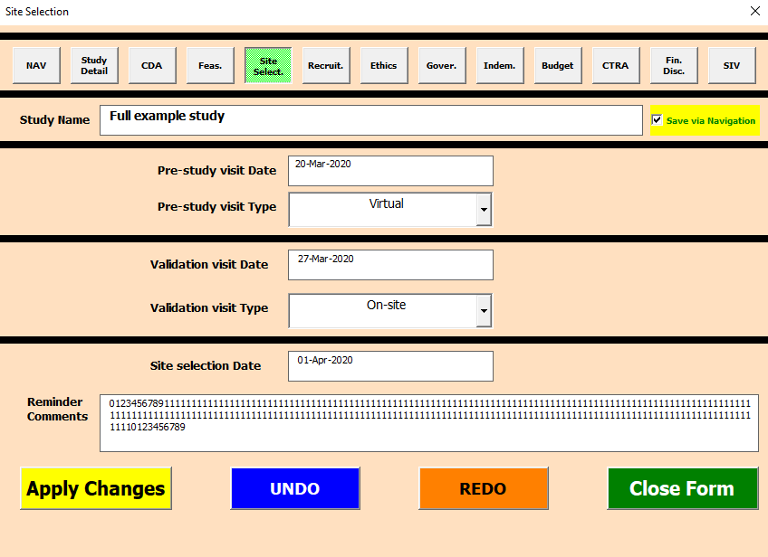
Enter appropriate date of the pre-study visit
Enter appropriate type of the visit from the drop-down menu: Onsite or virtual
Enter appropriate date of the validation visit
Enter appropriate type of the visit from the drop-down menu: Onsite or virtual
Enter appropriate date when the location where the study will be conducted is selected

 |  | 3.3.07 | Recruitment Plan Form
 |  | ◼ | The main detail required to be entered in this form is:

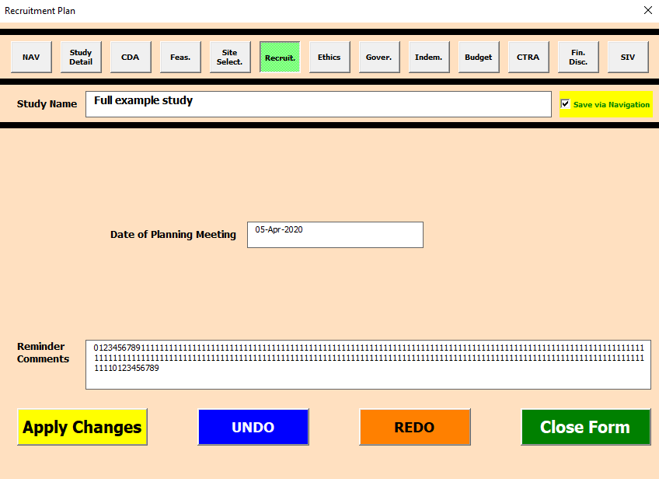
Enter appropriate date of planning meeting for recruitment

 |  | 3.3.08 | Ethics Review Form
 |  | ◼ | The main details required to be entered in this form are:

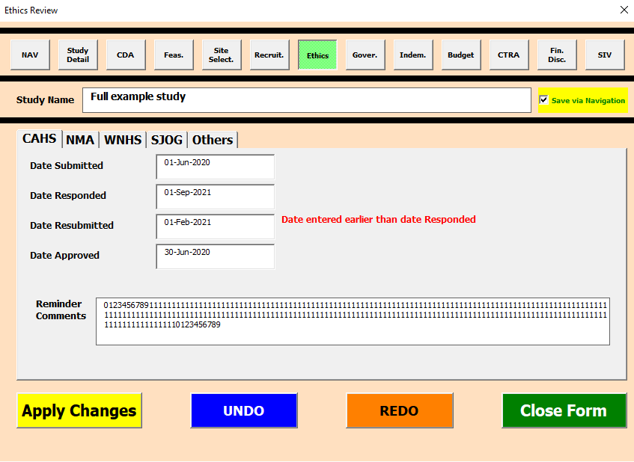
Enter appropriate date when ethics review is submitted for review
Different organisations that may be consulted for study ethics review
Enter appropriate date when the reviewer first responds to a submission
Enter appropriate date when the ethics review is resubmitted
Enter appropriate date when ethics review is approved

 |  | 3.3.09 | Governance Review Form
 |  | ◼ | The main details required to be entered in this form are:

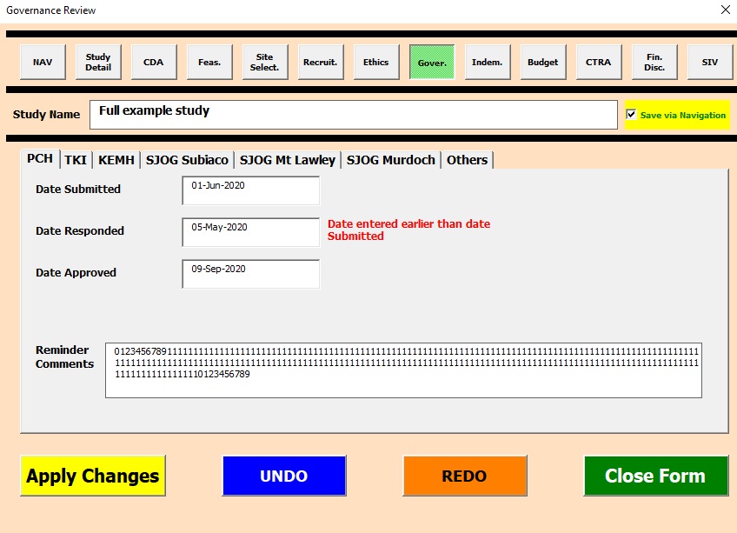
Different organisations that may be consulted for study governance review
Enter appropriate date when governance review is submitted
Enter appropriate date when governance review is responded
Enter appropriate date when governance review is approved

 |  | 3.3.10 | Indemnity Review Form
 |  | ◼ | The main details required to be entered in this form are:

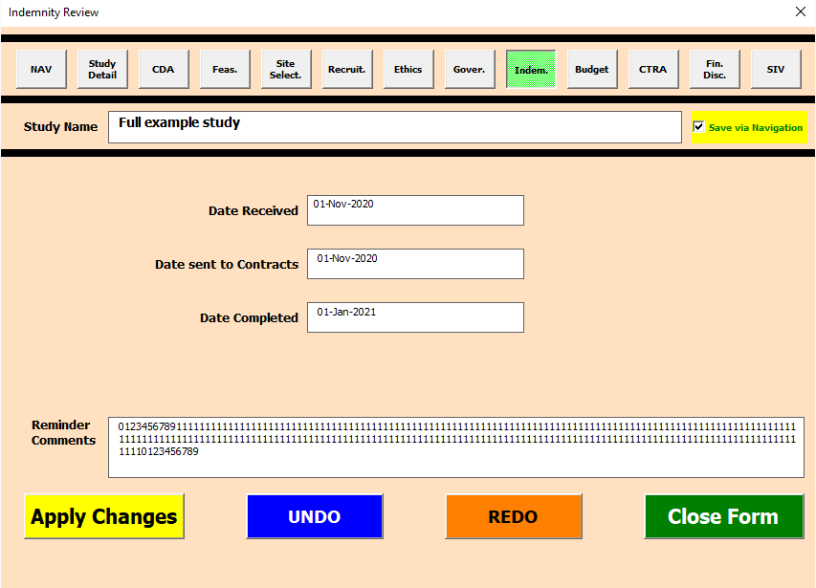
Enter appropriate date when Indemnity review is first received
Enter appropriate date when Indemnity review is sent to contracts department
Enter appropriate date when indemnity review is completed

 |  | 3.3.11 | Budget Review Form
 |  | ◼ | The main details required to be entered in this form are: | The main details required to be entered in this form are:

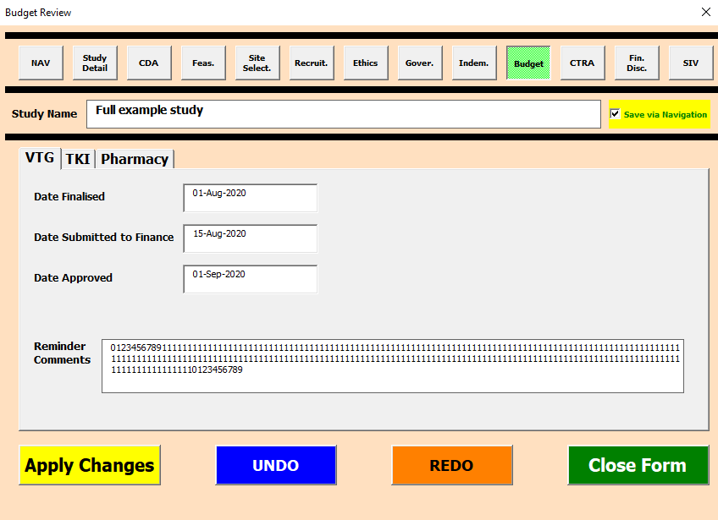
Enter appropriate date when date approved
Enter appropriate date when review is submitted to finance
Enter appropriate date when Budget Review is finalised

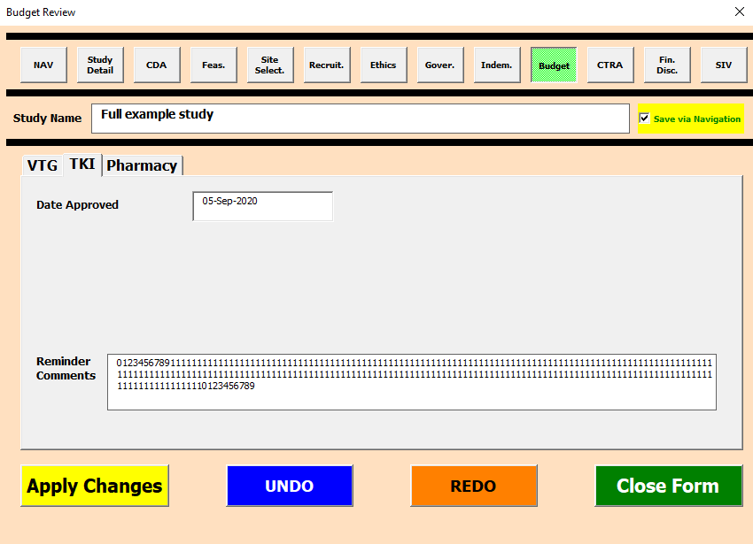
Enter appropriate date when TKI approve the study budget

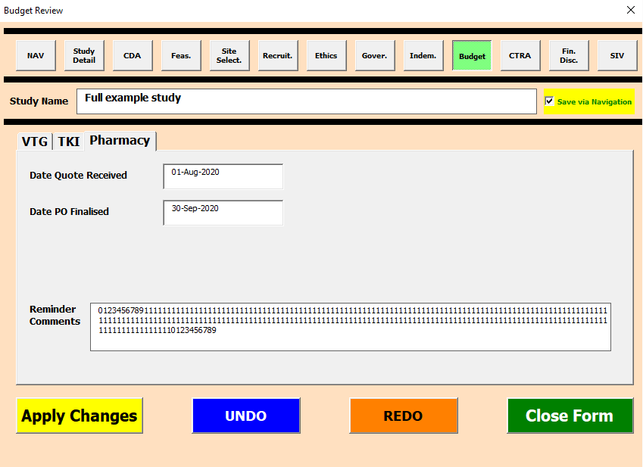
Enter appropriate date when PO is finalised
Enter appropriate date when quote is received from pharmacy

 |  | 3.3.12 | CTRA Form
 |  | ◼ | The main details required to be entered in this form are:

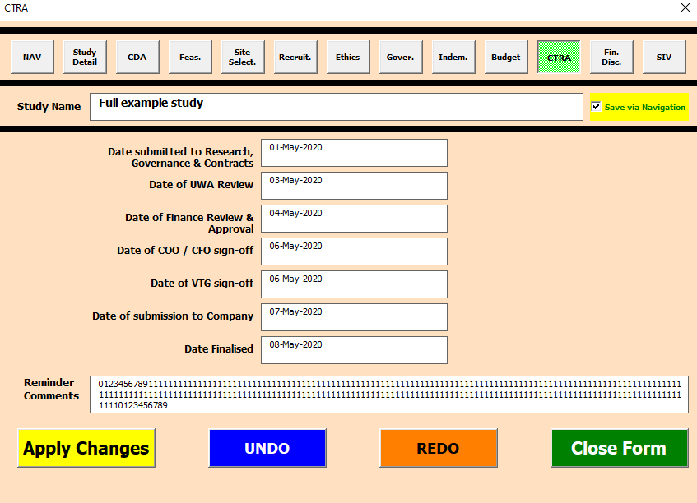
Enter appropriate date when CTRA is finalised
Enter appropriate date of submission of CTRA to company for finalisation
Enter appropriate date of COO/CFO Sign-off of CTRA
Enter appropriate date of Finance Review and Approval of CTRA
Enter appropriate date of UWA review of CTRA
Enter appropriate date when CTRA submitted to research, governance and contract teams for review
Enter appropriate date of VTG sign-off of CTRA

 |  | 3.3.13 | Financial Disclosure Form
 |  | ◼ | The main detail required to be entered in this form are:

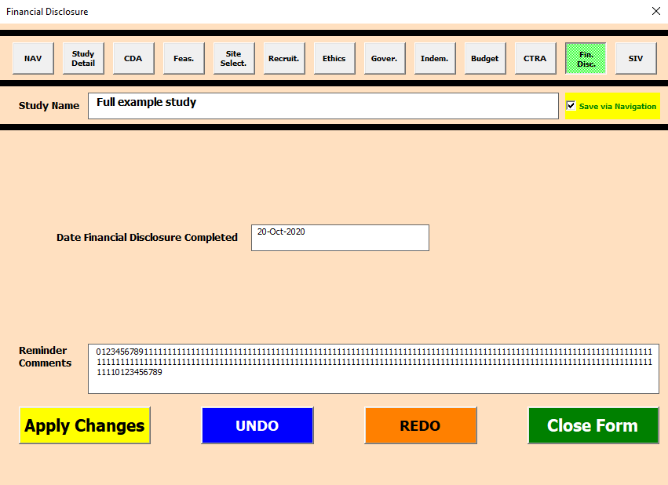
Enter appropriate date of when the financial disclosure is completed

 |  | 3.3.14 | SIV Form
 |  | ◼ | The main detail required to be entered in this form are:

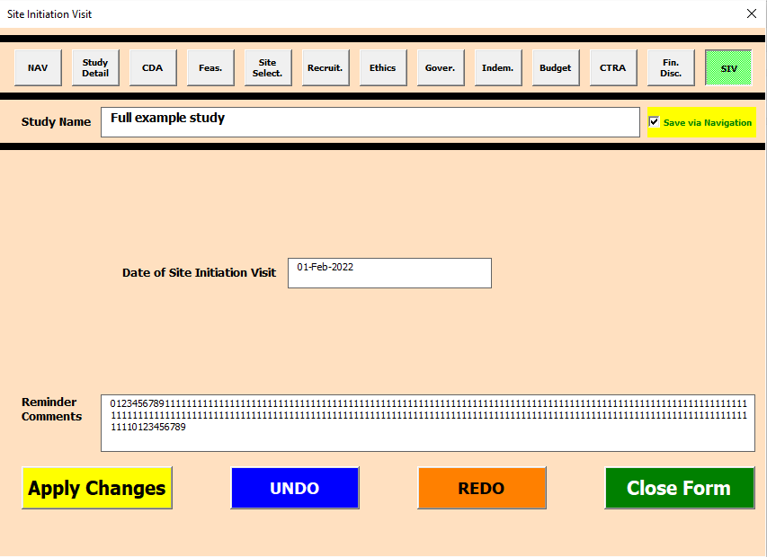
Enter appropriate date of site initiation visit

Return to TOC | 4 | Overview Report

 | ◼ | The worksheet tabs at the bottom of the excel application can be used to navigate to the "Overview Report" worksheet as by clicking on the Yellow tab.

 | ◼ | The "Overview Report" worksheet has been pre-set to retain a convenient freeze pane view that ensures the section below is always visible.
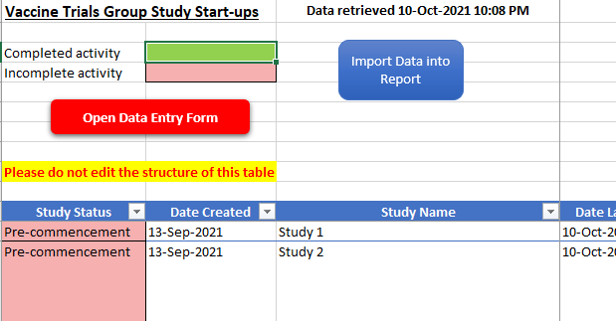

 | ◼ | Two shapes are available to trigger different functionality in the application:

 |  |  |  |  | ◻ | Performs same functionality as the one located in the Register worksheet tab.
Section 3.1 |  |  |  |  | ◻ | Clicking the shape will trigger opening of the Navigation/Initial form. Users can utilise the form to read, create, delete or edit records in the application register (refer to Section 3.1)

Section 3.2.08 |  |  |  |  | ◻ | Clicking the shape will trigger a sub-routine that will extract out all records that have not been deleted from the register and summarize the data for review. The summary contains all information entered for each activity. Reminders are only included if an activity is deemed incomplete (refer to Section 3.2.08).

Section 2.5 |  |  |  |  | ◻ | When data import is successful a pop-up will appear at the centre of the excel application window (refer to Section 2.5).

 |  |  |  |  |  | Moreover, the timestamp when data was last retrieved will be updated in Cell "C1" of the "Overview Report" sheet.

 |  |  |  |  | ❗ ◻ | The table data is erased each time data is imported to avoid inadvertent duplication of records from multiple runs of the sub-routine. Moreover, all auto-filters applied are removed to ensure duplicates are not created.

 |  |  |  |  | 🔺 ❗ ◻ | The imported data is disconnected from the application register. Changes made in the report table will NOT be transferred back into the application register.

 | 4.1 | Special Circumstances Covered

 | ◼ | If there are no records in the application register, a message will be displayed in cell C1 of the Register worksheet as shown below.

 | ◼ | If all records in the application register are deleted entries, then a message will be displayed in cell C1 of the Register worksheet as shown below.

 | 4.2 | Colours Applied to the Report
 | ◼ | As described in the report legend, two colours are used to indicate whether an activity is in progress or is complete:

 | ◼ | Similar colouring is also applied for overall multiorganizational activities as follows:
 |  | ◻ | Overall Ethics Reviews = |  |  | Green if at least 1 of the Ethics Review Board has approved and all fields are filled, with only valid dates (i.e. ones MS Excel can interpret) entered. Summary information contains list of Ethics Review boards that have completed approving the study.

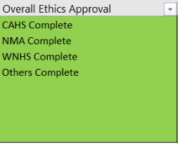

 |  |  |  |  |  | Light red if none of the Ethics Review boards have provided approval or if a lot of the data required is missing i.e. partially completed forms or dates entered are not valid. Summary information contains list of incomplete forms for review.

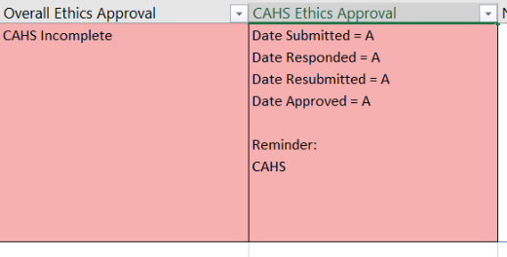

 |  | ◻ | Overall Governance Reviews = |  |  | Green if at least 1 of the Governance Review Board has approved and all fields are filled, with only valid dates (i.e. ones MS Excel can interpret) entered. Summary information contains list of Governance Review boards that have completed approving the study.

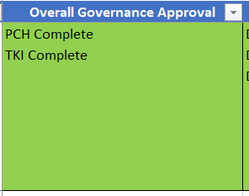

 |  |  |  |  |  | Light red if none of the Governance Review boards have provided approval or if a lot of the data required is missing i.e. partially completed forms or dates entered are not valid. Summary information contains list of incomplete forms for review.

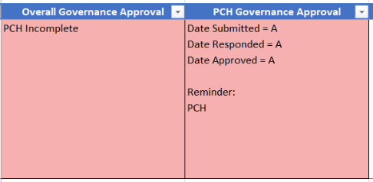

 |  | ◻ | Overall Budget Reviews = |  |  | Green if at least all Budget Review processes are completed by VTG, TKI and Pharmacy. This requires all Budget review forms to have inputs of valid dates (i.e. ones MS Excel can interpret) entered. Summary information contains list of Budget review boards that have completed approving the study.

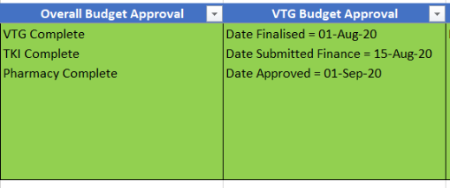

 |  |  |  |  |  | Light red if less than 3 Budget Reviews are completed. Summary information contains list of incomplete forms for review.
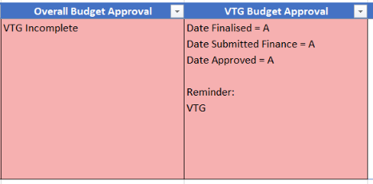

Section 3.2.10 |  | ◻ | Overall Study Record = |  |  | The overall study is deemed complete if all of the pre-commencement activities with filled records are evaluated by the application as complete (refer to Section 3.2.10). In such a scenario, the Study Status cell for the record (1st report column) is coloured green.

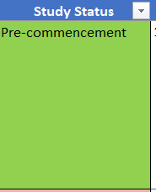

 |  |  |  |  |  | If the overall study is evaluated to be incomplete, the study status cell for the record is coloured light red.


Study Status Green only if the all filled pre-commencement
activity entries are complete
Study Status Red if some of the sections are incomplete
Red due to Protocol No. missing
Red due to 4 empty input fields
Reminder text shown where available for incomplete sections

 | 4.3 | Using Excel Table filters in Overview Report or Register Table
 | ◼ | Both the Overview Report Table and the core Register table are standard MS Excel tables. Consequently, the full suite of MS Excel auto-filtering is available for use. This enables one to filter using wildcards, cell colours, date ranges and keywords.

 | 👁‍🗨 | A decent guide on auto-filter basics can be found at: |  |  |  |  | https://www.contextures.com/xlautofilter01.html

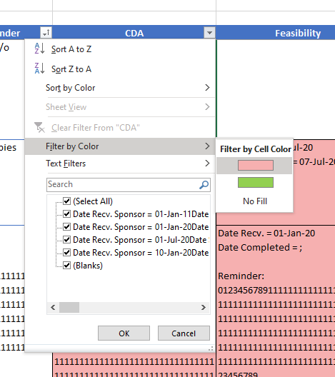
Auto-filter can be accessed via dropdowns on each cell of the table header row
Standard excel auto-filter offer numerous options to filter data based on the type of data that is stored in the column e.g. by colour, text, date range, number

 | 4.4 | Quick Access to Study Records from Overview Report
Section 3.2 | ◼ | Double clicking anywhere on a row in the overview report table will trigger opening of the data entry navigation form (refer to Section 3.2) with the study record associated with the table row pre-selected already. Users can then simple continue with editing the record as required (refer to Section 3.2.10).
Section 3.2.10
 | 🔺 ❗ ◼ | If a different row of the report table is double clicked after a data entry user form has already loaded, the first form will be closed and the new form loaded with the 2nd record identified instead.

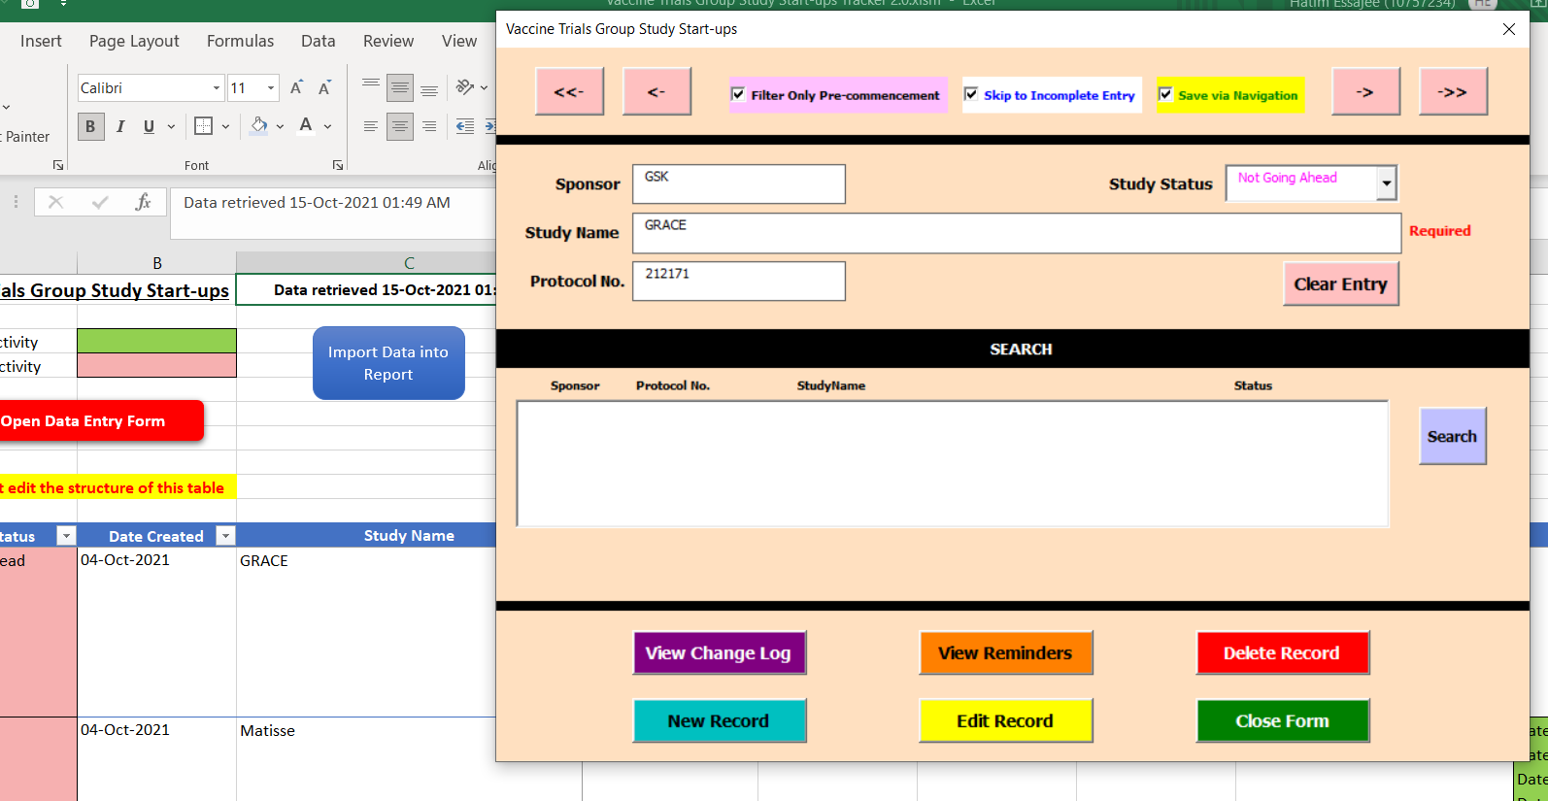
Double clicking cell in Table Row opened up associated record as in the data entry form

Overview Report
Vaccine Trials Group Study Start-ups |  | Register table has no data
Import Data into Report
Completed activity
Incomplete activity
Open Data Entry Form

Please do not edit the structure of this table

Study Status | Date Created | Study Name | Date Last Updated | Protocol Number | Sponsor | CRO | Age Range / Reminder | CDA | Feasibility | Site Selection | Recruitment Plan | Overall Ethics Approval | CAHS Ethics Approval | NMA Ethics Approval | WNHS Ethics Approval | SJOG Ethics Approval | Others Ethics Approval | Overall Governance Approval | PCH Governance Approval | TKI Governance Approval | KEMH Governance Approval | SJOG Subiaco Gov. Approval | SJOG Mt Lawley Gov. Approval | SJOG Murdoch Gov. Approval | Others Governance Approval | Indemnity | Overall Budget Approval | VTG Budget Approval | TKI Budget Approval | Pharmacy Quotation | CTRA | Financial Disclosure | SIV

Register
Open Data Entry Form

ONLY USE SHEET FOR BULK EDITS | Commenced | Stage 1
 | Study Status | Protocol No. | Study Name | Study Sponsor | Study CRO | Age Range | Date CDA Received from Sponsor | Date CDA sent to Contracts | Date CDA received from Contracts | Date CDA Sent to Sponsor | Date CDA Finalised | Date Feasibility Received | Date Feasibility Completed | Completed By | Pre-study Visit Date | Pre-study Visit Type | Validation Visit Date | Validation Visit Type | Site Selection Date | Date of Planning Meeting | CAHS Ethics Review - Date Submitted | CAHS Ethics Review - Date Responded | CAHS Ethics Review - Date Resubmitted | CAHS Ethics Review - Date Approved | CAHS Ethics Review - Reminder Comments | NMA Ethics Review - Ethics Committee Name | NMA Ethics Review - Date Submitted | NMA Ethics Review - Date Approved | NMA Ethics Review - Reminder Comments | WNHS Ethics Review - Date Submitted | WNHS Ethics Review - Date Approved | WNHS Ethics Review - Reminder Comments | SJOG Ethics Review - Date Submitted | SJOG Ethics Review - Date Approved | SJOG Ethics Review - Reminder Comments | Other Ethics Review - Ethics Committee Name | Other Ethics Review - Date Submitted | Other Ethics Review - Date Approved | Others Ethics Review - Reminder Comments | PCH Gov. Review - Date Submitted | PCH Gov. Review - Date Responded | PCH Gov. Review - Date Approved | PCH Gov. Review - Reminder Comments | TKI Gov. Review - Date Submitted | TKI Gov. Review - Date Responded | TKI Gov. Review - Date Approved | TKI Gov. Review - Reminder Comments | KEMH Gov. Review - Date Submitted | KEMH Gov. Review - Date Responded | KEMH Gov. Review - Date Approved | KEMH Gov. Review - Reminder Comments | SJOG Subiaco Gov. Review - Date Submitted | SJOG Subiaco Gov. Review - Date Responded | SJOG Subiaco Gov. Review - Date Approved | SJOG Subiaco Gov. Review - Reminder Comments | SJOG Mt Lawley Gov. Review - Date Submitted | SJOG Mt Lawley Gov. Review - Date Responded | SJOG Mt Lawley Gov. Review - Date Approved | SJOG Mt Lawley Gov. Review - Reminder Comments | SJOG Murdoch Gov. Review - Date Submitted | SJOG Murdoch Gov. Review - Date Responded | SJOG Murdoch Gov. Review - Date Approved | SJOG Murdoch Gov. Review - Reminder Comments | Other Gov. Review - Governance Body | Other Gov. Review - Date Submitted | Other Gov. Review - Date Responded | Other Gov. Review - Date Approved | Others Gov. Review - Reminder Comments | VTG Budget Review - Date Finalised | VTG Budget Review - Date Submitted to Finance | VTG Budget Review - Date Approved | VTG Budget Review - Reminder Comments | TKI Budget Review - Date Approved | TKI Budget Review - Reminder Comments | Pharmacy Budget Review - Date Quote Received | Pharmacy Budget Review - Date PO Finalised | Pharmacy Budget Review - Reminder Comments | Indemnity Review - Date Received | Indemnity Review - Date Sent to Contracts | Indemnity Review - Date Completed | CTRA - Date submitted to Research, Gov. & Contracts | CTRA - Date of UWA Review | CTRA - Date of Finance Review & Approval | CTRA - Date of COO / CFO sign-off | CTRA - Date of VTG sign-off | CTRA - Date of submission to Company | CTRA - Date Finalised | Date Financial Disclosure Completed | Date of Site Initiation Visit

Click to Import Code

